Bug Report 01
Category | Label | Value
BUG ID | ID_number | Reset password page - Form is not submiting with valid registered email
 | Summary
 | Reporter | Tanja Ćerimović
 | Submit Date | 2023-08-24
 | Operating System | Android 12
 | Precondition | User is registrated but not logged in
BUG DETAILS | Steps to reproduce | 1.Open Pets meet app/Sign in page 2. Click on "Forgot your password" 3.Enter a valid email with which the user created the profile 4.Click "Send email"
 | Expected results | An email is sent to the user with a link to reset the password
 | Actual results | Form is not submited. Error message displayed under the field Email:Email already exist
BUG TRACKING | Severity | High
 | Priority | High
 | Screenshot | 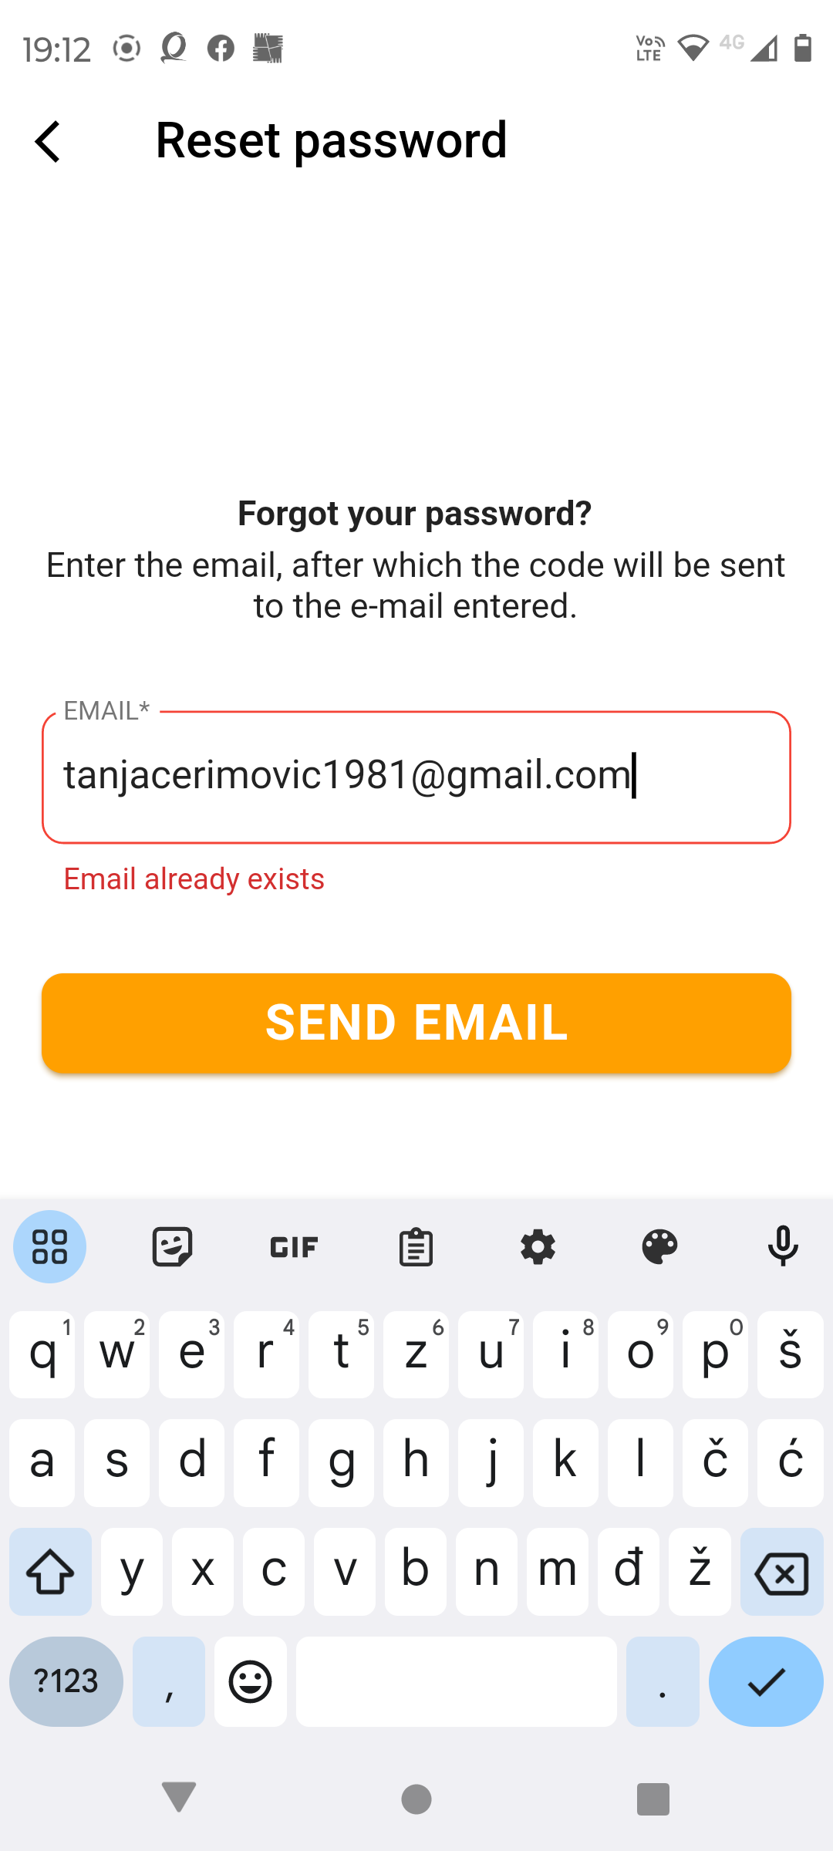

Bug Report 02
Category | Label | Value
BUG ID | ID_number | 2
 | Summary | At section "Add pet" list of dogs breed is not visible after the first click
 | Reporter | Tanja Ćerimović
 | Operating System | Android 12
 | Precondition | Sign in
BUG DETAILS | Steps to reproduce | 1.Go to profile tab 2.Click to field Add pet 3.Click on the icon with type of pet(dog) 4.Enter pet username 5.Enter pet name 6.Enter pet breed
 | Expected results | User is able to choose breed type out of the list
 | Actual results | The list with dog breeds doesn`t appear through the user has already clicked. Message appears "First choose the type of pet". List appears after user click on dog`s image several times.
BUG TRACKING | Severity | Low
 | Priority | Low
 | Screeanshot | 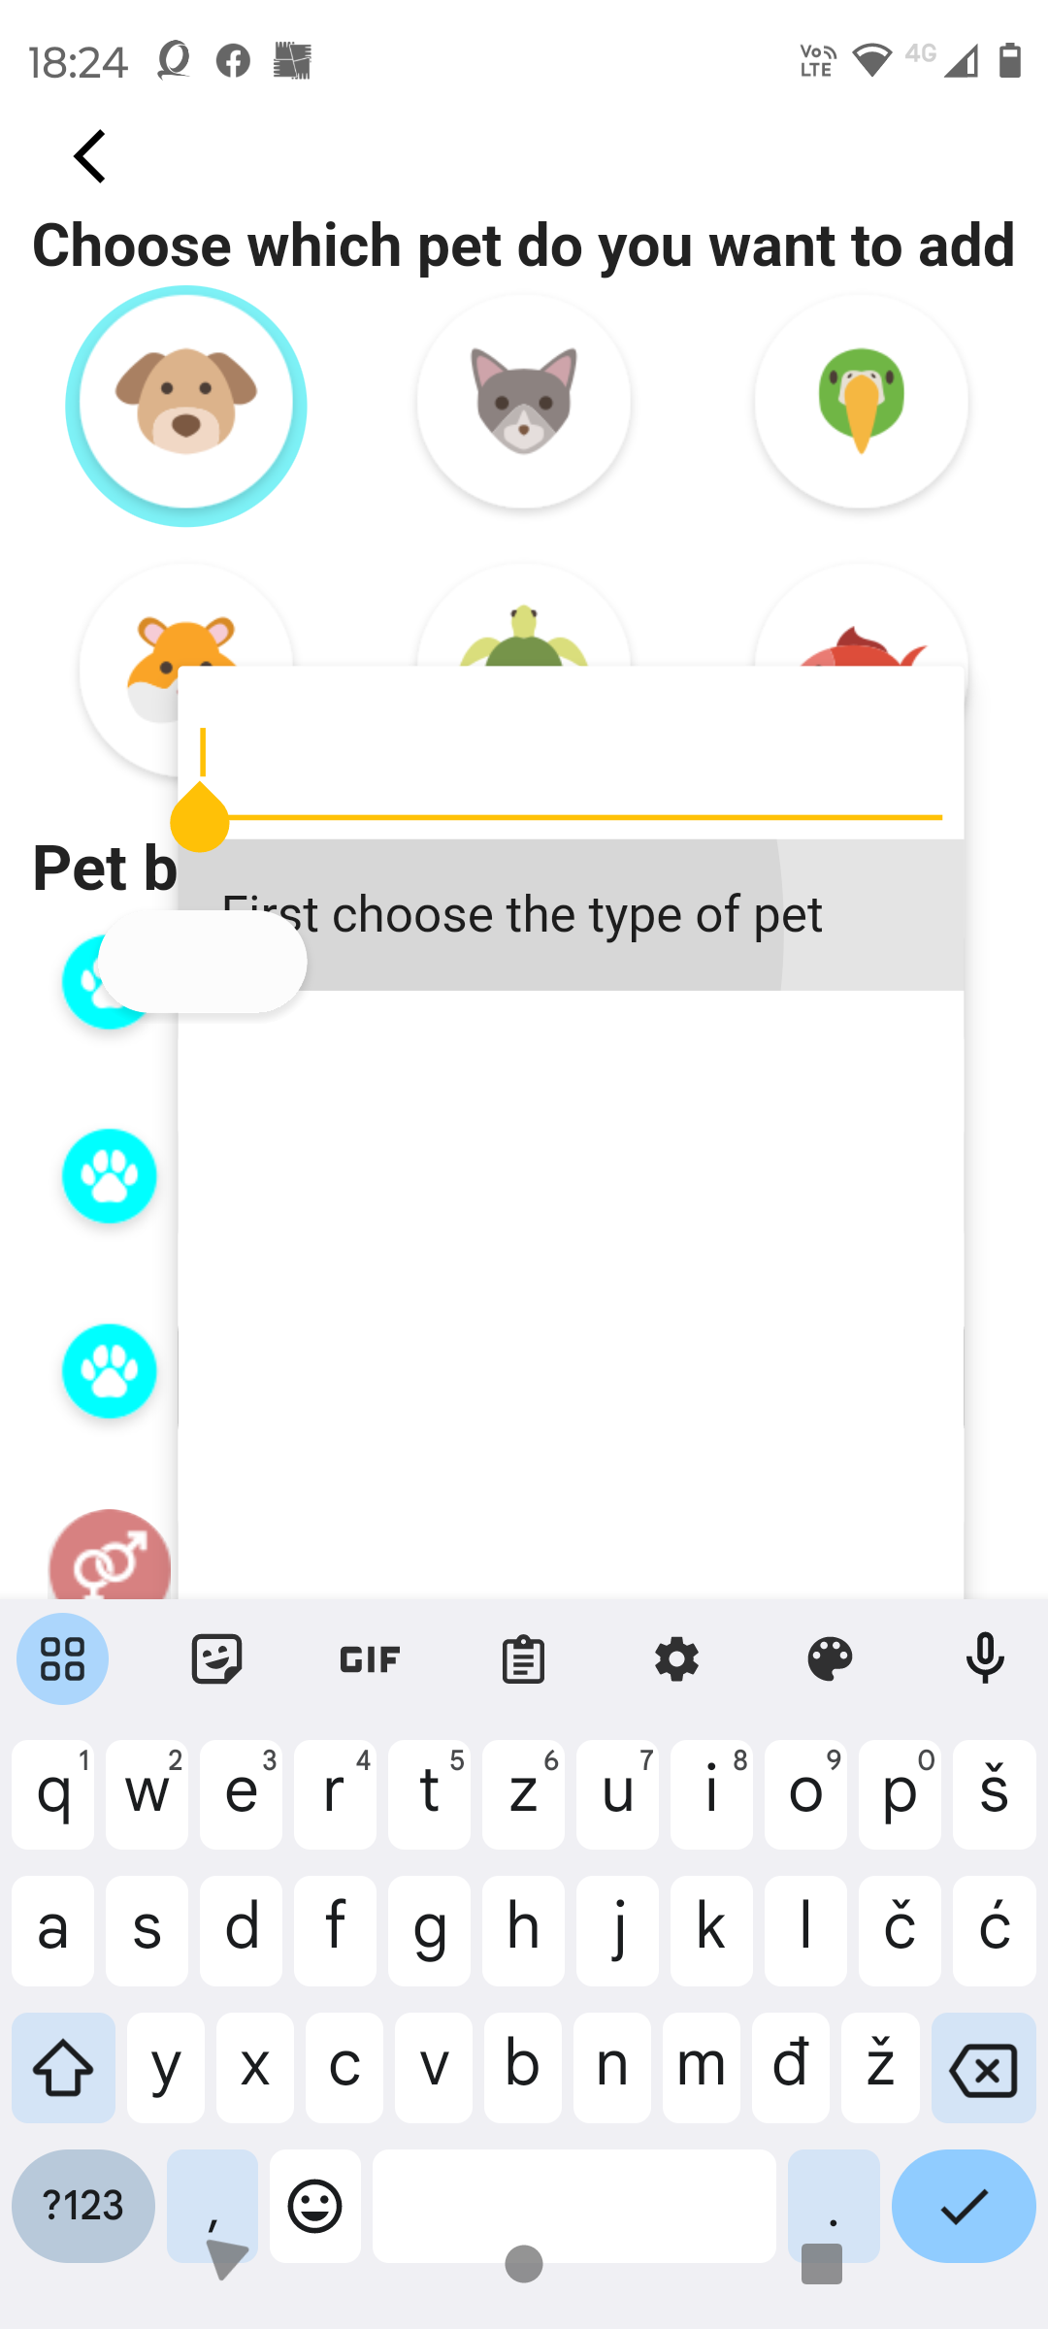

Bug Report 03
Category | Label | Value
BUG ID | ID_number | 3
 | Summary | App is crashed after user click on back button several times
 | Reporter | Tanja Ćerimović
 | Submit Date | 2023-08-24
 | Operating System | Android 12
BUG DETAILS | Steps to reproduce | 1.Open Pets meet app 2.Sign in 3.Exit app/click back button on mobile
 | Expected results | User exits the app without any problems
 | Actual results | When user exit the app crash message dialog appears.
Low | Severity | High
 | Priority
 | Screeanshot | 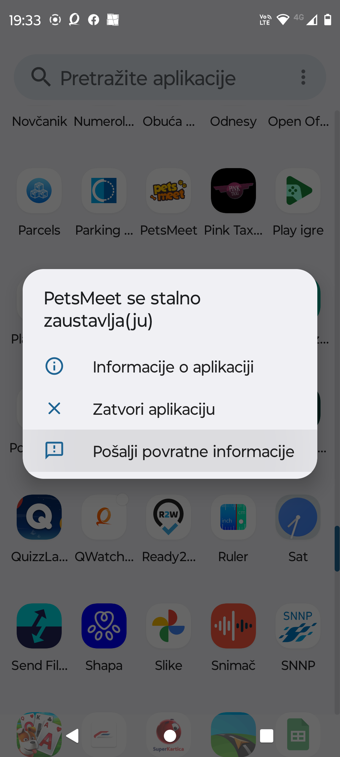

Bug Report 04
Category | Label | Value
BUG ID | ID_number | 4
 | Summary | No new message notification
 | Reporter | Tanja Ćerimović
 | Submit Date | 2023-08-24
 | Operating System | Android 12
BUG DETAILS | Steps to reproduce | 1.Open Pets meet app 2.Sign in
 | Precondition | Another user sent us a private message
 | Expected results | When another user sends us a message, we receive a notification about the received message or a red number with new unread messages appears on the message icon.
 | Actual results | When another user sends us a message, there is no notification of a new incoming message. The message can only be seen when we click on the message icon.
BUG TRACKING | Severity | Medium/Low
 | Priority | Medium
 | Screeanshot | 

